Sheet1
Task Name | Start | End | Duration (days)
Literature Review | 2014-09-01 | 2016-12-01 | 822
Simulation Implementation | 2015-04-02 | 2017-07-02 | 822
Question 1. The roles of parameters | 2015-09-02 | 2016-06-03 | 275
Publication work | 2016-06-04 | 2016-07-04 | 30
Question 2. Impact of group on flow rates | 2016-08-07 | 2016-12-12 | 127
Publication work | 2017-01-01 | 2017-02-01 | 31
Question 3. The heterogenity of group members | 2017-02-02 | 2017-05-03 | 90
Publication work | 2017-06-10 | 2017-08-11 | 62
Thesis | 2017-02-07 | 2017-09-10 | 215

 | `
 |  |  |  | Track Your Project with This Interactive Gantt Chart
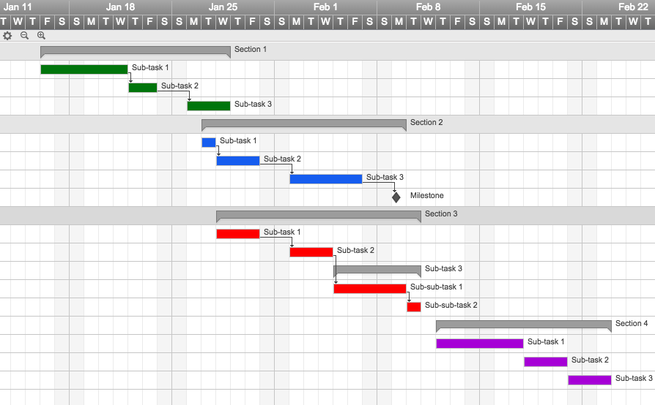

 |  |  |  | ✓ Instant Sign Up

 |  |  |  | ✓ No Credit Card Required
 |  |  |  | ✓ Nothing to Install



 |  |  |  | "Smartsheet is a project manager's dream come true!"

 |  |  |  |  | Jodi Hadsell

 |  |  |  |  | Project Manager, SAP

